Per hour
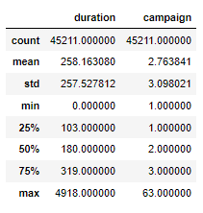
Model |  |  | Dataset To Be |  | -5% | 5% | Dataset Exist
Sample | 11251 |  | Sample | 45211 | 45211 | 45211 | Sample | 45211
Target Campaign | 3874 |  | Target Campaign | 15567 | 15567 | 15567 | Target Campaign | 45211
Converted | 3695 |  | Converted | 14848 | 14225 | 15567 | Converted | 5289

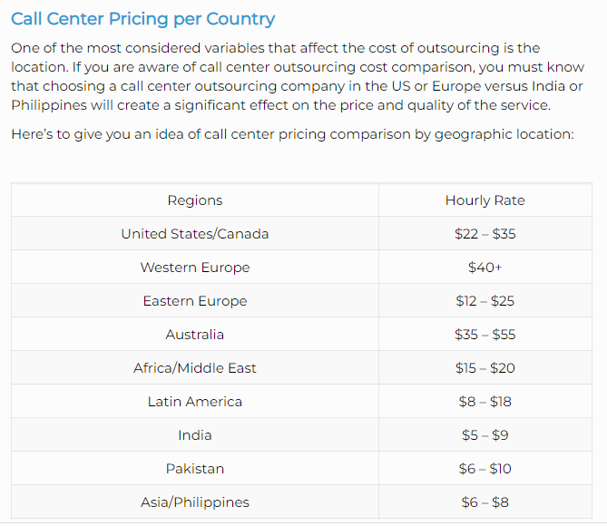
CVR Target | 0.34
CVR Converted (precision) | 0.9538 | 0.0462
 |  | Harga per hour | EUR 20.0 |  |  |  | EUR 20.0
 |  | Durasi telepon (detik) | 300 |  |  |  | 180 | (ambil median)
 |  | Frekuensi Telepon | 3 |  |  |  | 2 | (ambil median)
Confusion Matrix (true after modelling) |  | marketing cost |  | EUR 77,836 | EUR 77,836 | EUR 77,836 | EUR 90,422
7321 | 179 | CPA |  | EUR 5.24 | EUR 5.47 | EUR 5.00 | EUR 17.10
56 | 3695
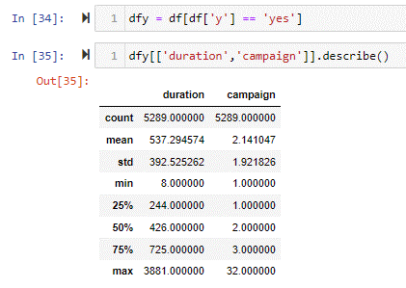
Confusion Matrix (scaleup to 45211) |  | Penurunan Marketing cost |  | -13.92% | -13.92% | -13.92%
29419 | 719 | Penurunan CPA |  | -69.34% | -67.99% | -70.75%
225 | 14848 | Return on Investment |  | 80.27% |  |  | -44.72%

 |  |  |  |  |  |  |  | IDR | 15976 | -> kurs 30 Maret 2022
 |  | Rata-rata deposito | EUR 630 | (atau setara 10064880 rupiah)
 |  | Suku bunga deposito | 2.75%
 |  | Suku bunga lending | 4.25% |  |  |  | EUR 12,586
 |  | Net interest margin | 1.50% |  |  |  | 83.6
 |  |  |  | Dataset Tobe | Dataset Exist |  |  |  |  |  | https://www.magellan-solutions.com/blog/call-center-pricing/
 |  | Potential Revenue |  | EUR 140,313 | EUR 49,981

 |  | Perhitungan Marketing Cost per Lead |  | EUR 848,876 | EUR 2,468,521 | -> tidak realistis karena marketing cost lebih tinggi daripada profit
 |  | Perhitungan Marketing Cost per hour |  | EUR 77,836 | EUR 90,422 | -> cukup realistis

